Overview
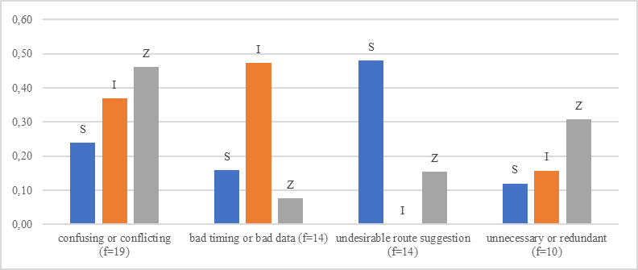
Relative count
code |  | S | I | Z | f
confusing or conflicting | confusing or conflicting w(f)=15,3 | 2.73 | 6.56 | 6.00 | 15.3
bad timing or bad data | bad timing or bad data w(f)=11,3 | 1.82 | 8.44 | 1.00 | 11.3
unnecessary or redundant | unnecessary or redundant w(f)=8,2 | 1.36 | 2.81 | 4.00 | 8.2
undesirable route suggestion | undesirable route suggestion w(f)=7,5 | 5.45 | 0.00 | 2.00 | 7.5

